Sheet1
Scent ID | Part Number | Scent Name (Eng) | Scent Name (Ch) | Applied Region | Calibration factor | Picture(referfence) | Scent cartridge
1 | MJ7B-S060C38-AAW | Ikebana Art | 煦日 | China | 100 | 
2 | MJ7B-S060C38-BAW | Grasse Neroli | 橙花 | China | 100 | 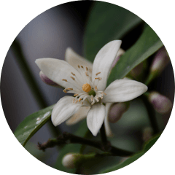
3 | MJ7B-S060C38-CAW | Ocean of Flowers | 蔚蓝 | China | 100 | 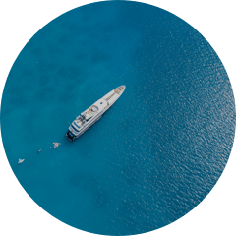
4 | MJ7B-S060C38-DAW | Night Airy Smoke | 沐光 | China | 100 | 
5 | MJ7B-S060C38-EAW | Happy Moment | 悦然 | China | 100 | 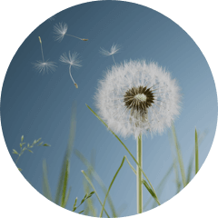
6 | MJ7B-S060C38-FAW | Story of Love | 恋海 | China | 100 | 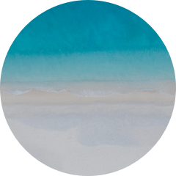
7 | MJ7B-S060C38-GAW | ICED OoLONG | 青叶 | China | 100 | 
8 | R2TB-S060C38-AAW | BLUEBELL | 夜铃 | China | 100 | 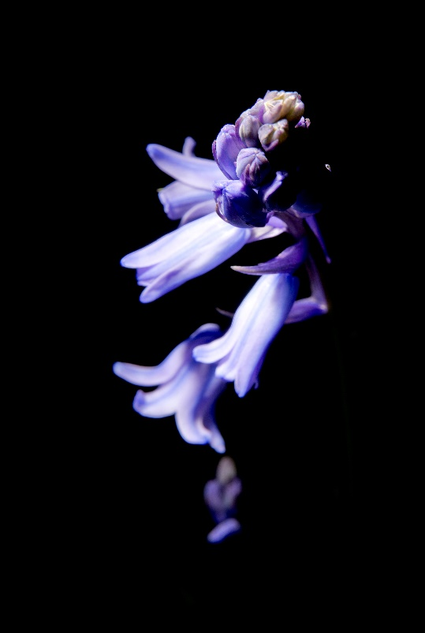
9 | R2TB-S060C38-BAW | GREEN BAY | 泉境 | China | 100 | 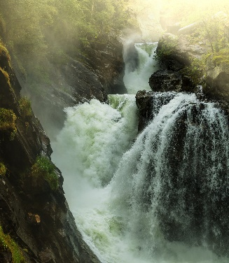
A | R2TB-S060C38-CAW | TEATALK | 茶曦 | China | 100 | 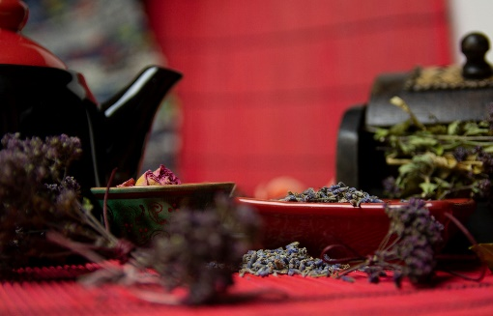
B | R2TB-S060C38-DAW | BLUEMAN | 烟海 | China | 100

